How to Use
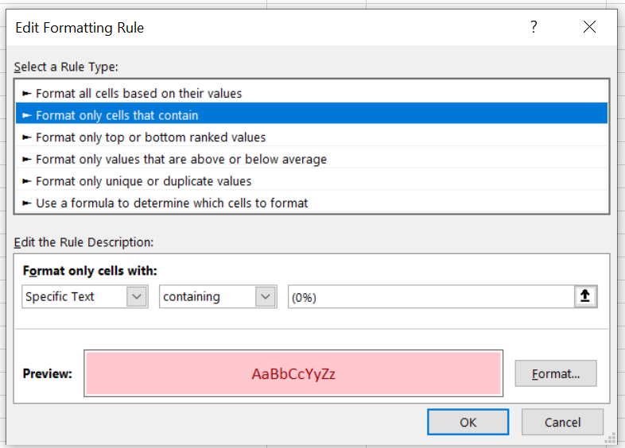
Updated | 2024 FEB 23

This Excel spreadsheet explains the QC process for GL Nav Domestic Interconnectivity Fast Facts.
IT MAY BE EASIER TO SKIP AHEAD TO THE "Step-by-Step Example" tab and follow along.

After running both "talking_points_script"s (regular and QC)

 | Instruction | Detail
1 | Open workbooks | Open the QC Excel workbook and main GL_Talking_points_CY## Excel workbook.
2 | Put tables side-by-side | Copy columns A and B from the Tonnage_Tables tab (in the QC workbook) and paste into Column D and E of the main GL_Talking_points_CY## workbook.
 |  | (Column C should be empty, to leave a space between tables.)

 | You may be able to do Steps 3-4 more efficiently, if you're clever and good at Excel.

3 | Add table formatting | Using the "Format Painter" tool,
 |  | -- copy the Main Output table format (in the "New Format" tab) and apply to relevant harbors for this year's maps (Columns A and B in the main GL_Talking_points_CY## Excel workbook.
 |  | -- copy the QC Excel format (in the "New Format" tab) and apply to relevant harbors for maps (Columns D, E, and F of the main GL_Talking_points_CY## Excel workbook.)
4 | Add QC formula | Copy Column D from the "New Format" tab in this spreadsheet and paste special (formula only) into Column F of the main GL_Talking_points_CY## workbook.

5 | Convert to Number | When the numbers come out of R, Excel recognizes them as "characters" instead of "numbers". Error = "Number Stored as Text"
 |  | In the main GL_Talking_points_CY## Excel workbook, select almost all of Column E, starting with the first cell in the column that has the error message/ green triangle indicating the error. This is probably Cell E4. (See screenshot below.)
6 | Highlight cells that need manual changes | (If this didn't copy over when using Format Painter) Apply Conditional Formatting to all of Column F, to highlight cells containing "(0%)"
 |  | Apply Conditional Formatting to all of Column E, to highlight cells with values less than 10,000
 |  |  | QC --> the corresponding value in Column B should be <0.01 Million

7 | Full QC of relevant harbor Fast Facts | Manually change Top Three Commodities contents in Column B if necessary, such that
 |  | (0%) --> (<0.1%)
 |  | (100%) --> (>99%)

 |  | Compare results in Column F to Column B. They should be the same!

 |  | Ranking --> make sure National Ranking was updated properly and makes sense compared to Great Lakes ranking.
 |  | You will have to manually update the following using information from senior GL economists
 |  | -- Calumet
 |  | -- Indiana
 |  | -- Burns

 |  | Tonnages (Tonnage for CY, 5-Yr Averages)
 |  | -- only two significant figures for tonnages
 |  | -- all tonnages in terms of Millions
 |  | -- values under 10,000 written out as "<0.01 Million"

 |  | "Top Three Commodities Handled"
 |  | -- commodities R described as (0%) written as (<0.1%)
 |  | -- in same text box, if a commodity is listed as (100%), change it to (>99%)

7 | Copy Fast Facts tab into Comments Tracker spreadsheet for VI | You may want to hide Columns D-F to avoid confusion, but keep them (don't delete them) in case you need to answer questions for the GL NAV PDT
 |  | You may also want to hide irrelevant harbors (i.e. harbors that we are not turning into maps)

 | EXAMPLES AND SCREENSHOTS OF FORMATTING AND "CONVERT TO NUMBER" PROCESS

 |  |  |  | <-- Use the Past Special > Formula option when copying in QC formula

 |  |  |  | <-- see how error results in "#NUM!"
 |  |  |  | <-- Values under 10,000 (here, 240 tons) are not processed properly by the QC formula

 |  |  |  | <-- select almost the whole column, starting with the first cell with the "Number Stored as Text" error
 |  |  |  | Then fix by clicking "Convert to Number"

 |  |  |  | <-- Column E values are now numbers, so the formula in Column F works for "0" values now
 |  |  |  | <-- Values under 10,000 are treated appropriately by formula now, too

